Feuille18
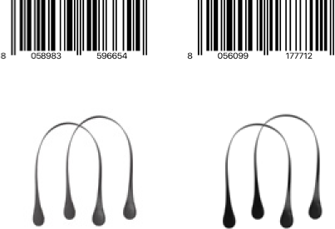
extra slim .manico lungo long handle
 | Nb car page | 2 |  |  | #N/A |  |  | N° | Index
 | ??. O bag * | 131 | 16. O bag fall 2018 .continuativo carry over |  |  |  |  |  |  | Ref | Modèle | Pièce | Couleur | Code Barre | Catalogue | Page | Data ok
 |  | page | 16 | 16 | #N/A |  |  | 1 | 0 | HLESX200 ECS00 008 | HLESX200 | ECS00 | 008 |  | fall 2018 .continuativo carry over | 16 | TRUE
 |  | catalogue | fall 2018 .continuativo carry over |  |  |  |  | 2 | 0 | HLESX200 ECS00 028 | HLESX200 | ECS00 | 028 |  | fall 2018 .continuativo carry over | 16 | TRUE
 |  |  |  |  |  | Modèle | Pièce | 3 | 0 | HLESX200 ECS00 009 | HLESX200 | ECS00 | 009 |  | fall 2018 .continuativo carry over | 16 | TRUE
 | code * | $A1:$A1000 | 50 | 50 | code HLESX200 ECS00 | HLESX200 | ECS00 | 4 | 0 | HLESX200 ECS00 055 | HLESX200 | ECS00 | 055 |  | fall 2018 .continuativo carry over | 16 | TRUE
 | code * | $A51:$A1000 | 36 | 86 | code HLESG000 ECS01 | HLESG000 | ECS01 | 5 | 0 | HLESX200 ECS00 039 | HLESX200 | ECS00 | 039 |  | fall 2018 .continuativo carry over | 16 | TRUE
 | code * | $A87:$A1000 | #N/A | #N/A |  |  |  | 6 | 0 | HLESX200 ECS00 084 | HLESX200 | ECS00 | 084 |  | fall 2018 .continuativo carry over | 16 | TRUE
 |  |  |  |  |  |  |  | 7 | 0 | HLESX200 ECS00 008 | HLESX200 | ECS00 | 008 |  | fall 2018 .continuativo carry over | 16 | TRUE
 |  | couleurs | col. 008 col. 028 col. 009 col. 055 col. 039 col. 084 col. 008 col. 086 col. 084 col. 055 |  |  |  |  | 8 | 0 | HLESX200 ECS00 086 | HLESX200 | ECS00 | 086 |  | fall 2018 .continuativo carry over | 16 | TRUE
 |  |  |  |  |  |  |  | 9 | 0 | HLESX200 ECS00 084 | HLESX200 | ECS00 | 084 |  | fall 2018 .continuativo carry over | 16 | TRUE
 |  |  |  |  |  | Couleur |  | 10 | 0 | HLESX200 ECS00 055 | HLESX200 | ECS00 | 055 |  | fall 2018 .continuativo carry over | 16 | TRUE
 | col. * | $A1:$A1000 | 16 | 16 | col. 008 | 008 |  | 11 | 0 |  |  |  |  |  |  |  | FALSE
 | col. * | $A17:$A1000 | 13 | 29 | col. 028 | 028 |  | 12 | 0 |  |  |  |  |  |  |  | FALSE
col. 008 | col. * | $A30:$A1000 | 9 | 38 | col. 009 | 009 |  | 13 | 0 |  |  |  |  |  |  |  | FALSE
bianco | col. * | $A39:$A1000 | 17 | 55 | col. 055 | 055 |  | 14 | 0 |  |  |  |  |  |  |  | FALSE
white | col. * | $A56:$A1000 | 3 | 58 | col. 039 | 039 |  | 15 | 0 |  |  |  |  |  |  |  | FALSE
 | col. * | $A59:$A1000 | 7 | 65 | col. 084 | 084 |  | 16 | 0 |  |  |  |  |  |  |  | FALSE
 | col. * | $A66:$A1000 | 37 | 102 | col. 008 col. 086 col. 084 | 008
 | col. * | $A103:$A1000 | 23 | 125 | col. 055 | 086
 | col. * | $A126:$A1000 | #N/A | #N/A |  | 084
 | col. * | #N/A | #N/A | #N/A |  | 055

col. 028
ecru
ecru

col. 009
blu
blue


code HLESX200 ECS00
descrizione manico extra slim goccia
lungo ecopelle
materiale ecopelle
abbinamenti O bag - O bag mini - O city
col. 055
nero
black
col. 039
grigio
grey
description faux leather extra slim long
tear drop handle
material faux leather
components O bag - O bag mini - O city
col. 084
testa di moro
dark brown

martellato .manico lungo long handle
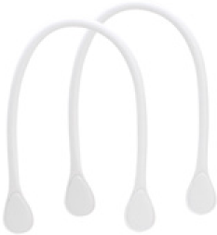

code HLESG000 ECS01

descrizione manico lungo ecopelle
martellato
materiale ecopelle
abbinamenti O bag - O bag mini - O city

col. 008 col. 086 col. 084
bianco tortora testa di moro
white dove-grey dark brown

description textured faux leather long
handle
material faux leather
components O bag - O bag mini - O city

col. 055
nero
black

16. O bag fall 2018 .continuativo carry over

